AMER Price Book
 |  | Tenable Price Book for AMER |  |  | 2025-09-15

Special Notes for September 2025 Price Book

1 | For Tenable One licensing, customers purchase Assets that are then allocated to the individual component products as required.
 | Each component product consumes Assets at a specific rate. Read about it in detail here:
 | https://docs.tenable.com/quick-reference/licensing-guide/Content/tenable-one-licensing.htm#TenableOneProducts

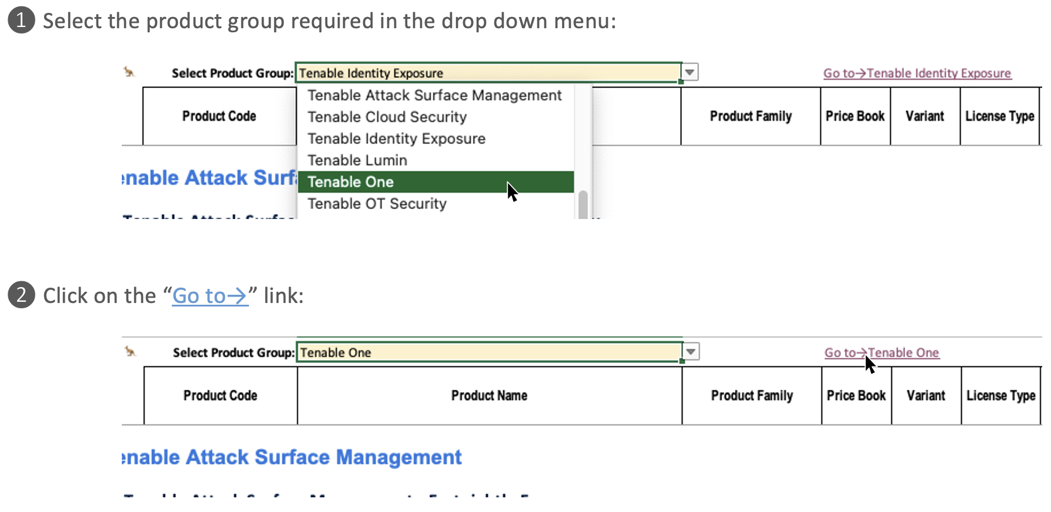

Using this Price Book

Finding Products

1 | All products are on a single sheet.

2 | Navigate quickly to the products you need using the Product Group menu.

Loading Products |  |  |  |  |  | The two step process allows us to distribute a macro/script free workbook.

1 | For those needing to load data into their systems a “Load” sheet has been provided to help out.

2 | Tenable’s systems do not use unique SKUs for every pricing level or class so it is unlikely you can simply load this data exactly as is. Prices are distinguished by a combination of SKU, Price Book, and Variant. For products based on the progressive model, each level is distinguished by Tier.
 | a) | For tiered pricing, the load sheet can be used in two ways—depending on your requirements. Every Tier is presented as a separate line with that tier’s pricing details. Alternatively, the first tier also has extra columns giving the details of the other tiers for that product.
 | b) | The final column, labelled “Single Line Tiers Only?” allows you to filter out the other tier lines—leaving just Tier one and non-Tiered products.

3 | The first column, labelled “Change” compares this price book to the previous one. For each line it can have one of these values:

 |  |  | New | This is the first time this product has been included in the price book.
 |  |  | Modified | This product has changed. Extra information stating what kind of change is provided in brackets. e.g. Modified (Price;Name;Order Cat;Other Details)
 |  |  | No Change | Same as previous price book.
 |  |  | Removed | We no longer sell this product. Do not load. It is included to help identify what SKUs to disable/remove from your systems.

